Water per Land use Type
Mogale City Local Municipality

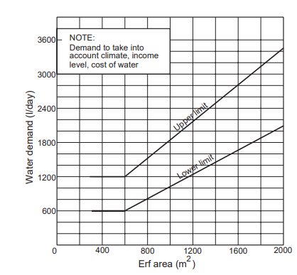

Water supply - Guideline potential daily water requirement per land use type

Land use | Maximum FAR. / Maximum Number of Dwelling Units (Units) | Unit of measure | Guideline Capacity Requirement per Unit of Measure |  | Land use | Maximum FAR. / Maximum Number of Dwelling Units (Units) | Unit of measure | Guideline Capacity Requirement per Unit of Measure
Residential 1 | 1 unit/erf | kℓ/d/erf |  |  | Business 2 | FAR: 1.5 | kℓ/d/100 m2 of floor area permitted by the FAR
 |  |  | 1.8 |  |  |  |  | 1.0

Residential 2 | 20- 40 units/ha | kℓ/d/unit |  |  | Business 2 | FAR: 1.0 | kℓ/d/100 m2 of floor area permitted by the FAR
 |  |  | 0.8 |  |  |  |  | 1.0

Residential 3 | 41-60 units/ha | kℓ/d/unit |  |  | Business 3 | FAR: 0.8 | kℓ/d/100 m2 of floor area permitted by the FAR
 |  |  | 0.8 |  |  |  |  | 1.0

Residential 4 | 61 units/ha | kℓ/d/unit |  |  | Schools Churches |  | kℓ/d/100 m2 of floor area permitted by the FAR
 |  |  | 0.6 |  | Government |  |  | 0.50
 |  |  |  |  | Municipal
 |  |  |  |  | Institutions
Residential 5 |  |  |  |  | Industrial 1
 |  |  |  |  | Parks and Sports Grounds | <=2ha,15kl/day
 |  |  |  |  |  | >2ha<=10ha>12.5kl/day
Transitional Residential | n/a |  | determined by municipality |  |  | >10ha=10kl/day
Agricultural Residential | 1 unit/ agricultural holding |  | approved by municipality by means of SDP

Business 1 | FAR: 2.0 (Residential use, hotel, service industry, commercial use) | kℓ/d/100 m2 of floor area permitted by the FAR |  |  | Old aged homes |  | kℓ/d/100 m2 of floor area permitted by the FAR
 |  |  | 1.0 |  | Hospitals (medical facilities) |  |  | 0.8
 |  |  |  |  | Residences
 |  |  |  |  | Hostels
Business 1 | FAR: 5.0 (shops, office use) | kℓ/d/100 m2 of floor area permitted by the FAR |  |  | Industrial |  | kℓ/d/100 m2 of floor area permitted by the FAR
 |  |  | 1.0 |  | Commercial (storage and warehousing) |  |  | 1.7

erf = stand |  |  |  | Data to be provided from time to time by the municipality
FAR = floor area ratio |  |  |  | Data to be provided by the municipality when assets are revalued
ha = hectare |  |  |  | Calculation from another sheet or transferred to another sheet
kℓ/d = kilolitre per day |  |  |  | Calculation in this sheet
kℓ/d/m2 = kilolitre per day per square metre |  |  |  | Information from application
kℓ/d/100m2 = kilolitre per day per one hundred square metres |  |  |  | Component of the development contribution
m2 = square metre |  |  |  | Development contribution for engineering services

